Diagram
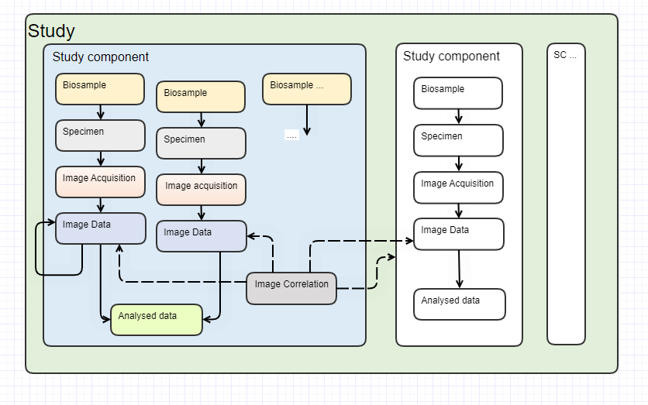

Supplementary Figure 3. Digrammatic representation of REMBI modules.

